MEDR-OT
MONTHLY ENFORCEMENT DATA REPORT (MEDR) FORM FOR OVERTIME PROJECTS
Grant Number: |  |  |  |  | Agency: |  |  |  |  |  |  | Month: |  |  | Year:

Officer's Name:

Grant-Funded Officers' Traffic Offenses and Criminal Charges
Traffic Offenses |  |  |  |  |  |  |  |  |  |  |  | Criminal Charges |  |  |  | Total Charges

DUI-Alcohol | DUI-Drugs | DUI-Combination (Alcohol and Drugs) |  | Safety Belt | Child Safety Seat | Speeding | DUS | No DL | Uninsured Motorists | Other Traffic Violations Not Listed | Total Traffic | Drug Arrests | Firearm Charges | Criminal Charges Not Listed | Total Criminal Charges | Traffic and Criminal

0 | 0 | 0 |  | 0 | 0 | 0 | 0 | 0 | 0 | 0 | 0 | 0 | 0 | 0 | 0 | 0

Number of Fugitives Arrested |  |  | 0 |  |  |  | Number of Public Contacts/Warnings
Number of Stolen Vehicles Recovered
 |  |  | 0
Number of Officers on Project |  |  | 0

Project Hours Worked |  |  |  | Saturation Patrols |  |  |  |  |  | Certification by Project Director
Enforcement |  | 0 |  | Single Agency | 0 |  |  |  |  | Under penalties of perjury I certify this is a true and accurate statement of the information submitted above:
Saturation Patrols |  | 0
Checkpoints |  | 0 |  | Multi-Agency | 0 |  |  |  |  | Project Director Printed Name:
TOTAL |  | 0 |  |  |  |  |  |  |  | Project Director Signature:
 |  |  |  |  |  |  |  |  |  | Date Submitted: |  |  | ___________________
 |  |  |  | Checkpoints
 |  |  |  | Single Agency | 0
 |  |  |  | Multi-agency | 0
 |  |  |  | LEN- sponsored | 0
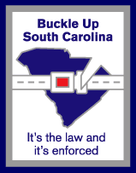
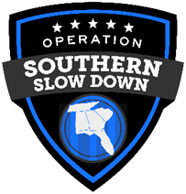
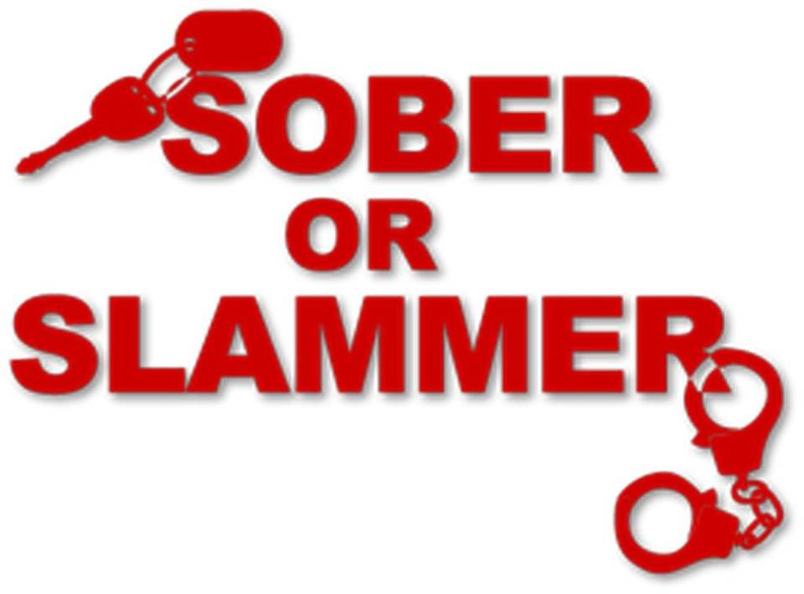

 |  |  |  |  |  |  |  |  |  |  |  |  |  |  |  |  | Rev. 9/23

